Index

Neogen Chemicals Limited
Financial Model

 | Inputs

 |  | Historical Financial Statement
 |  | Assumptions
 |  | Market Data
 |  | Revenue & Cost buildup

 | Calculation & Analysis
 |  | Income Statement
 |  | Balance Sheet
 |  | Cash Flow Statement
 |  | Working Capital
 |  | Depreciation Schedule
 |  | Debt Schedule
 |  | WACC
 |  | Beta
 |  | Sensitivity Analysis

 | Outputs
 |  | DCF Model
 |  | Ratio Analysis
 |  | Comparables Analysis
 |  | Valuation Summary

Assumptions
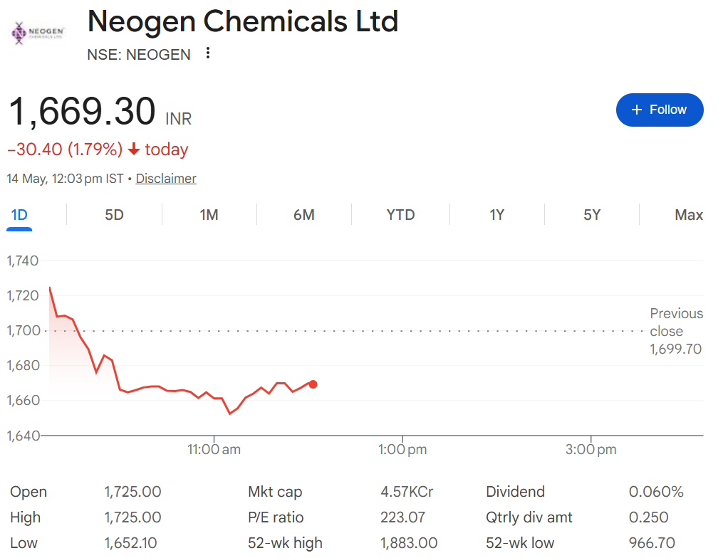
Neogen Chemicals Limited

Assumptions

Company Description |  | Neogen Chemicals Limited
ISIN Code |  | INE136S01016
Sector Name |  | Chemicals
Industry |  | Specialty Chemicals
Exchange Name |  | BSE: 542665, NSE: NEOGEN
Website |  | https://neogenchem.com/
Company Description |  | Neogen Chemicals Limited is an India-based specialty chemicals manufacturer with strong expertise in bromine-based and lithium-based chemistries. The company supplies high-value chemical solutions to industries such as pharmaceuticals, agrochemicals, electronics, polymers, water treatment, and energy storage. Neogen has a growing global presence with exports to 30+ countries, supported by advanced manufacturing facilities in India and strong R&D capabilities. The company is also expanding its lithium-ion battery materials business to support the rapidly growing electric vehicle (EV) ecosystem.
Current Market Price |  | 1,669.30

Company data
Particulars |  | Amount
No of Outstanding shares | No's | 26,381,674
Face Value per share | Rs. | 10
Current Market Price | Rs. | 1,669
Market Capitalisation | INR in cr | 44,038,928,408

Company Export data
Year |  | Revenue in Cr
2021 |  | 336.41
2022 |  | 487.25
2023 |  | 686.18
2024 |  | 690.67
2025 |  | 777.56

Headings | Reference | Assumptions
Revenue & Cost Buildup | M8:V8 | For FY2026, revenue growth is assumed at 7.0% based on management guidance, industry outlook, and analyst expectations. The bull case is derived by adding 5.0% to the base case growth, resulting in 12.0%, while the bear case is derived by reducing 5.0%, resulting in 2.0%. In all scenarios, the growth rate is gradually tapered by 6.0% over the forecast period, reaching approximately 4.0% by FY2035, reflecting a conservative long-term normalization approach.
 | M9:V9 M10:V10 M11:V11 | COGS, Salaries & Benefits and Other SG&A Expenses is taken as average of last 5 audited years and assumed to be remain constatnt throughout the projection period.
 | M12:V12 | The FY2025 depreciation rate of 3.6% is taken as the base. For FY2026, the rate is increased by 0.5% to 4.1%, and thereafter, it is assumed to increase by 0.5% every two years over the forecast period, reflecting a gradual rise in asset base and capital intensity.
 | M13:V13 | Interest rate was calculated as average of last 4 audited years which is coming 12% and then assumed to be remain same throughout the forecasted period.
 | M14:V14 | Other income was computed by taking the average of historical years and is assumed to remain constant throughout the projected period.
 | M15:V15 | The FY2025 effective tax rate of 30.6% is taken as the base. For FY2026, the rate is normalized to 30.76%, increasing by 0.20%. Thereafter, the rate is assumed to increase by 0.20% every two years over the forecast period, reflecting a gradual rise in line with prevailing corporate tax trends in India.
 | M16:V16 | Dividend Payout is assumed as average of the last 5 years which is coming closer to 15.31% which is assumed to be the dividend payments throughout the forecast period
 | M17:V17, M18:V18, M19:V19 | Trade Receivables, Inventory, and Trade Payables were calculated by determining the DSO, DIO, and DPO for all five audited years. The average of these metrics was then taken and assumed to remain constant during the forecasted years. These constant ratios were subsequently multiplied by the Revenue and Inventory of the respective forecast years to estimate the values.
 | M20:V20 | Capital Expenditure (Capex) has been estimated using the average of the last four historical years to normalize fluctuations. For the projected period, Capex is assumed to grow at a steady rate of 0.5% annually, reflecting stable operations and ongoing maintenance requirements. This represents a conservative and realistic assumption.
Balance Sheet | M42:V42 | Cash and Cash equivalents are taken from the closing cash balance of cash flow statements.
 | M43:V43 | Bank deposits are based on the historical trend of relatively low balances in prior years. Considering the company’s operational cash utilization, it is assumed that no significant surplus funds will be maintained in bank deposits going forward, and hence the balance is projected to remain minimal/negligible throughout the forecast period.
 | M46:V46 M50:V50 M53:V53 M51:V51 M57:V57 | Other Current Assets, Financial Assets, Other Non-Current Assets, Other Current Liability and Other Non-Current Liability and taken from the last audited year i.e 2025 and assumed to be remain constant throughout the forecasted period i.e from (2026-35).
Shareholder's Equity | M65:V65 | Shareholders’ Equity is projected based on the retention of earnings over the forecast period , with no major changes in equity structure such as fresh equity issuance or buybacks. The increase in equity is primarily driven by internal accruals (retained earnings), reflecting a stable growth trajectory of the company while maintaining a consistent capital structure.
Supporting Schedules | M118:V118 | Debt Issuance/Repayment is assumed to be Zero for thr forecasted years.

Summary
Neogen Chemicals Limited
Valuation Summary - Football Field

Valuation Summary - Football Field
 |  |  |  |  |  | Market
 |  |  | Comps | DCF | 52-week hi/lo | Consensus
 | High |  | 1,565 | 1,361 | 1,745 | 2,001
 | High |  | 1,565 | 1,361 | 1,745 | 2,001
 | Low |  | 647 | 693 | 351 | 1,395
 | Low |  | 647 | 693 | 351 | 1,395

Valuation Summary
Valuation Summary

Broker Analysis |  | Date | LTP | Target Price
IDBI Capita |  | 2026-02-13 | 1,295 | 2,001
ICICI Securities Limited |  | 2025-11-13 | 1,240 | 1,395
Kotak Securities Limited |  | 11-Dec-25 | 987 | 1,540

Scenarios
Neogen Chemicals Limited
Scenarios
 |  |  | Estimated | Estimated | Projected | Projected | Projected | Projected | Projected | Projected | Projected | Projected
 | Revenue Assumption | Growth (%) | 2026 | 2027 | 2028 | 2029 | 2030 | 2031 | 2032 | 2033 | 2034 | 2035
 | Base Case | 7.0% | 7.0% | 6.58% | 6.19% | 5.81% | 5.47% | 5.14% | 4.83% | 4.54% | 4.27% | 4.01%
 | Bull Case | 12.00% | 12.00% | 11.3% | 10.6% | 10.0% | 9.4% | 8.8% | 8.3% | 7.8% | 7.3% | 6.9%
 | Bear case | 2.00% | 2.0% | 1.9% | 1.8% | 1.7% | 1.6% | 1.5% | 1.4% | 1.3% | 1.2% | 1.1%
 | Annual Growth Tampering | 6.0%

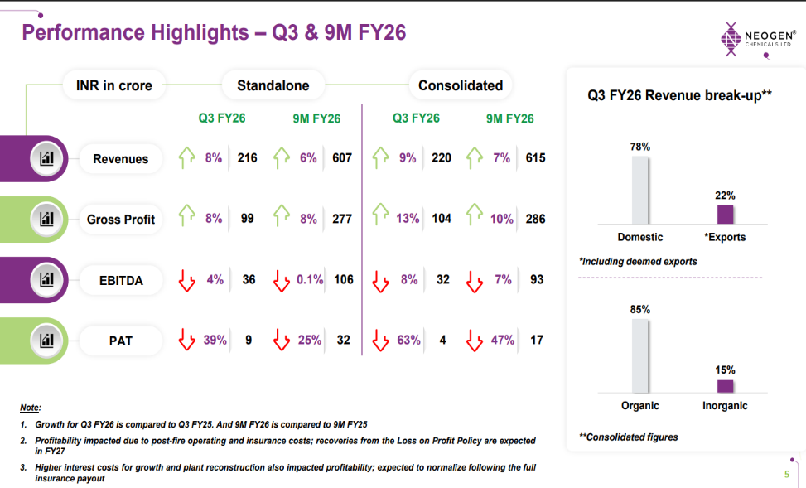
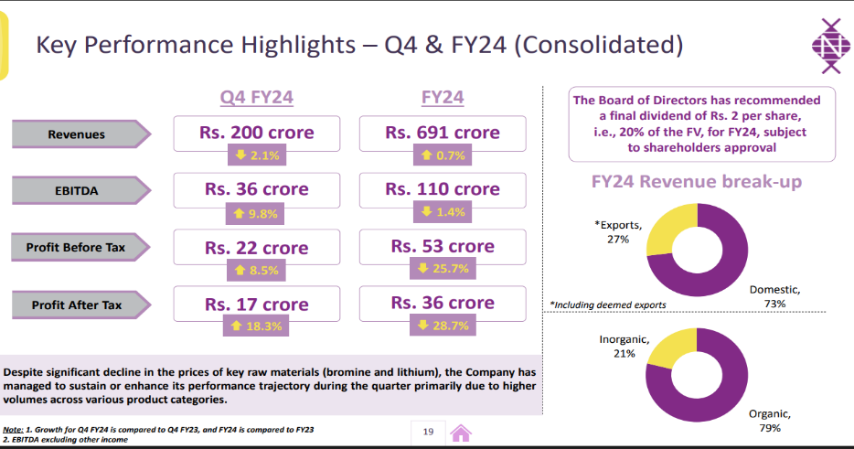
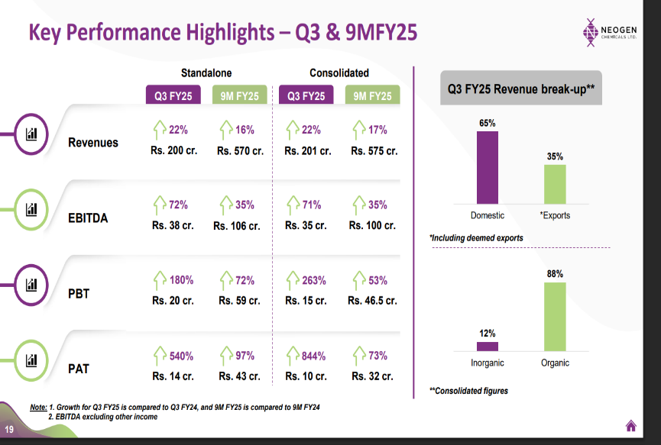

 |  |  |  |  | q

